Travel Expense Claim
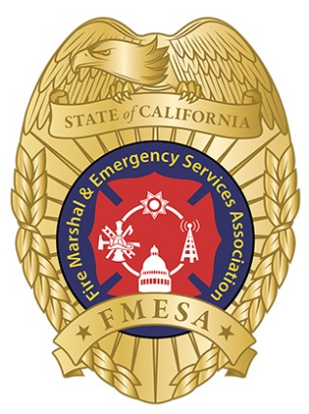
 |  | FMESA TRAVEL/BUSINESS EXPENSE CLAIM FORM Please submit receipts and completed form to |  |  |  |  |  | For Office Use Only | 2
 |  |  |  |  |  | Check #:
 |  |  |  |  |  | Date:
 |  |  |  |  |  | Approved by:
 |  |  |  |  |  | Initials:
 |  | claims@fmesa.com
Version 2023.1

ROUTING:
Name: |  |  |  | Phone:
Home Address:
City, State, Zip: |  |  |  | E-mail:
Submitted Date: |  |  |  | Inclusive Dates of Travel: |  |  | thru
Purpose of Trip/Expense:

Date | Vendor |  | Private Auto |  | Other (See Notes/ie meals) |  |  | Total
 |  |  | Miles | Amount @ .655 cents per mile

 |  |  |  | $0.00 | $0.00 |  |  | $0.00
 |  |  |  | $0.00 | $0.00 |  |  | $0.00
 |  |  |  | $0.00 | $0.00 |  |  | $0.00
 |  |  |  | $0.00 | $0.00 |  |  | $0.00
 |  |  |  | $0.00 | $0.00 |  |  | $0.00
(Please use a separate page if more spaces are needed.) |  |  |  |  | Total Amount Expended |  |  | $0.00
Notes:
 |  |  |  |  | Amount Due to FMESA Member: |  |  | $0.00

 |  |  |  |  | Private Auto Plate (If used):

I hereby certify that the above is a true statement of the travel/business expenses.

 | ____________________________________________ |  |  | ______________________________________________
 | Signature of Payee/Date |  |  | Approving Officer Signature/Date

